1. Title Page
Instacart Grocery Basket Analysis

Project Name: Instacart Grocery Basket Analysis
Date: 6 October 2022
Analyst Name: Chloe Hangartner

Contents: (click on a section below for shortcut to tab)
Population Flow
Consistency checks
Wrangling steps
Column derivations
Visualizations & Recommendations
Recommendations

Data Citation
“The Instacart Online Grocery Shopping Dataset 2017”, Accessed from https://www.instacart.com/datasets/grocery-shopping-2017 on 9/14/2022
*The customer data explored in Exercises 4.9 and 4.10, as well as the “prices” column in the products data set, were both fabricated for the purpose of this course

2. Population Flow
Population flow

Exclusion flag
Condition: max_order < 5
Obervations to be removed: 2,884
Final total count of order_products_all: 32,401,975
* In Task 4.9, it was requested that a final data set be created that excluded "low activity customers" (criteria = Instacart customers who have ordered less than 5 items) so that the Instacart executives could only focus on "regular activity customers". This is the reason for the exclusion flag and the removal of 2,884 observations.

Orders_products_combined
Orders_products_merged
Orders_products_all

Total: 32,404,859
Total: 32,434,489
Total: 32,404,859

1.) The grey boxes in the first row of the population flow represent the original data sets as they were when you downloaded them. In the Total fields you need to add the count of the rows when you imported the data set into Jupyter.
2.) The second row of boxes (coloured) represents the data sets after you manipulated them, e.g., removed missing values and duplicates. In the Total fields you need to add the count of the rows after conducting these operations. This offers a visual oveview of how the data flows throughout the data consistency checks.
3.) The third row, where also the arrows are coloured, represents the merges you performed between the datasets. In the Total fields you need to add the count of the rows in the merged datasets, so that you end up with the final dataset (in the red box). Keep in mind the final dataset should be without exclusions (based on the exclusion flag).

3. Consistency checks
Consistency checks

Dataset | Missing values | Missing values treatment | Duplicates
orders | 206,209 missing values found under 'days_since_prior_order' | Because the missing values are most likely based on new customers that have never ordered something before, a new column for 'new_customer' was created with boolean values of true/false | No duplicates found
products | 16 missing values found | New data set created with only non-missing values | 5 full duplicate values found; new data set created without the duplicate values and only non-missing values
orders_products_prior
customers | 11,259 'first_name' values missing | Although over 11,000 first names are missing, it would be more of an issue to remove these rows since we also have last names and user id for identification. The rows will not be removed for this reason.

4. Wrangling steps
Wrangling steps

 | Columns dropped | Columns renamed | Columns' type changed | Comment/Reason
1 |  | ords.csv: renamed 'order_dow' to 'orders_day_of_week' |  | "dow" is not intuitive
2 |  |  | ords.csv: 'order_id' changed from integer to string | the numeric aspect is only for identification
3 |  |  | ords.csv: 'user_id' changed from integer to string | the numeric aspect is only for identification
4 |  | ords.csv: renamed 'order_hour_of_day' to 'hour_of_day_ordered' |  | more intuitive
5 | ords.csv: 'Unnamed: 0', 'Unnamed: 0.1', 'eval_set' |  |  | During exercise 4.6, after running the head() command on df_ords, realized I needed to drop these unnecessary columns from ords.csv; now in the merged data set, it will be clearer
6 | products info: 'Unnamed: 0' |  |  | In exercise 4.6, I needed to drop this unnecessary column before completing the merge
7 |  | ords_prods_merge.rename(columns = {'mean_order':'mean_order_price'}, inplace = True) |  | In the middle of exercise 4.8, I renamed 'mean_order' to 'mean_order_price' because it was more intuitive
8 |  | ords_prods_merge.rename(columns = {'Frequency_flag':'frequency_flag'}, inplace = True) |  | I adjusted capitalization for consistency
9 |  | customers.csv: customers.rename(columns = {'First Name' : 'first_name', 'Surnam' : 'surname', 'Gender' : 'gender', 'STATE' : 'state', 'Age' : 'age', 'n_dependants': '#_of_dependants', 'fam_status' : 'marital_status'}, inplace = True) |  | These were adjusted to match capitalization or for intuition/consistency
10 |  |  | customers.csv: change 'user_id' to string/object customers['user_id'] = customers['user_id'].astype('str') | The 'user_id' was listed as an integer and needed to be changed to string because the number is simply an identifier
11 | first_name & surname columns |  |  | PII issues
12 | _merge |  |  | unnecessary

5. Column derivations
Column derivations and aggregations

Frequency counts for reference:
Dataset | New column | Column/s it was derived from | Conditions
orders_products_merged_updated.pkl | price_range_loc | prices | df_subset.loc[df_subset['prices'] > 15, 'price_range_loc'] = 'High-range product' df_subset.loc[(df_subset['prices'] <= 15) & (df_subset['prices'] > 5), 'price_range_loc'] = 'Mid-range product' df_subset.loc[df_subset['prices'] <= 5, 'price_range_loc'] = 'Low-range product'
orders_products_merged_updated.pkl | busiest_day | order_day_of_week | result = [] for value in df["orders_day_of_week"]: if value == 0: result.append("Busiest day") elif value == 4: result.append("Least busy") else: result.append("Regularly busy")
orders_products_merged_updated.pkl | busiest_days | order_day_of_week | result_2 = [] for value in df['orders_day_of_week']: if value in [0,1]: result_2.append("Busiest day") elif value in [3,4]: result_2.append("Least busy") else: result_2.append("Regularly busy")
orders_products_merged_updated.pkl | busiest_period_of_day | hour_of_day_ordered | result_3 = [] for value in df['hour_of_day_ordered']: if value>=9 and value<=16: result_3.append("Most orders") elif value<=6: result_3.append("Fewest orders") else: result_3.append("Average orders")
orders_products_merged_updated.pkl | max_order | user_id, order_number | ords_prods_merge['max_order'] = ords_prods_merge.groupby(['user_id'])['order_number'].transform(np.max)
orders_products_merged_updated.pkl | loyalty_flag | max_order | ords_prods_merge.loc[ords_prods_merge['max_order'] > 40, 'loyalty_flag'] = 'Loyal customer' ords_prods_merge.loc[(ords_prods_merge['max_order'] <= 40) & (ords_prods_merge['max_order'] > 10), 'loyalty_flag'] = 'Regular customer' ords_prods_merge.loc[ords_prods_merge['max_order'] <= 10, 'loyalty_flag'] = 'New customer'
orders_products_merged_v4.pkl | mean_order -> mean_order_price | user_id, prices | ords_prods_merge['mean_order'] = ords_prods_merge.groupby(['user_id'])['prices'].transform(np.mean)
orders_products_merged_v4.pkl | spending_flag | mean_order | ords_prods_merge.loc[ords_prods_merge['mean_order']<10, 'spending_flag'] = 'Low spender' ords_prods_merge.loc[ords_prods_merge['mean_order']>=10, 'spending_flag'] = 'High spender'
orders_products_merged_v4.pkl | median_days_since_prior_order | user_id, days_since_prior_order | ords_prods_merge['median_days_since_prior_order'] = ords_prods_merge.groupby(['user_id'])['days_since_prior_order'].transform(np.median)
orders_products_merged_v4.pkl | frequency_flag | median_days_since_prior_order | ords_prods_merge.loc[ords_prods_merge['median_days_since_prior_order']>20, 'Frequency_flag'] = 'Non-frequent customer' ords_prods_merge.loc[(ords_prods_merge['median_days_since_prior_order']>10) & (ords_prods_merge['median_days_since_prior_order']<=20), 'Frequency_flag'] = 'Regular customer' ords_prods_merge.loc[ords_prods_merge['median_days_since_prior_order']<=10, 'Frequency_flag'] = 'Frequent customer'
final_instacart_data.pkl | region | state | look to right -> |  | 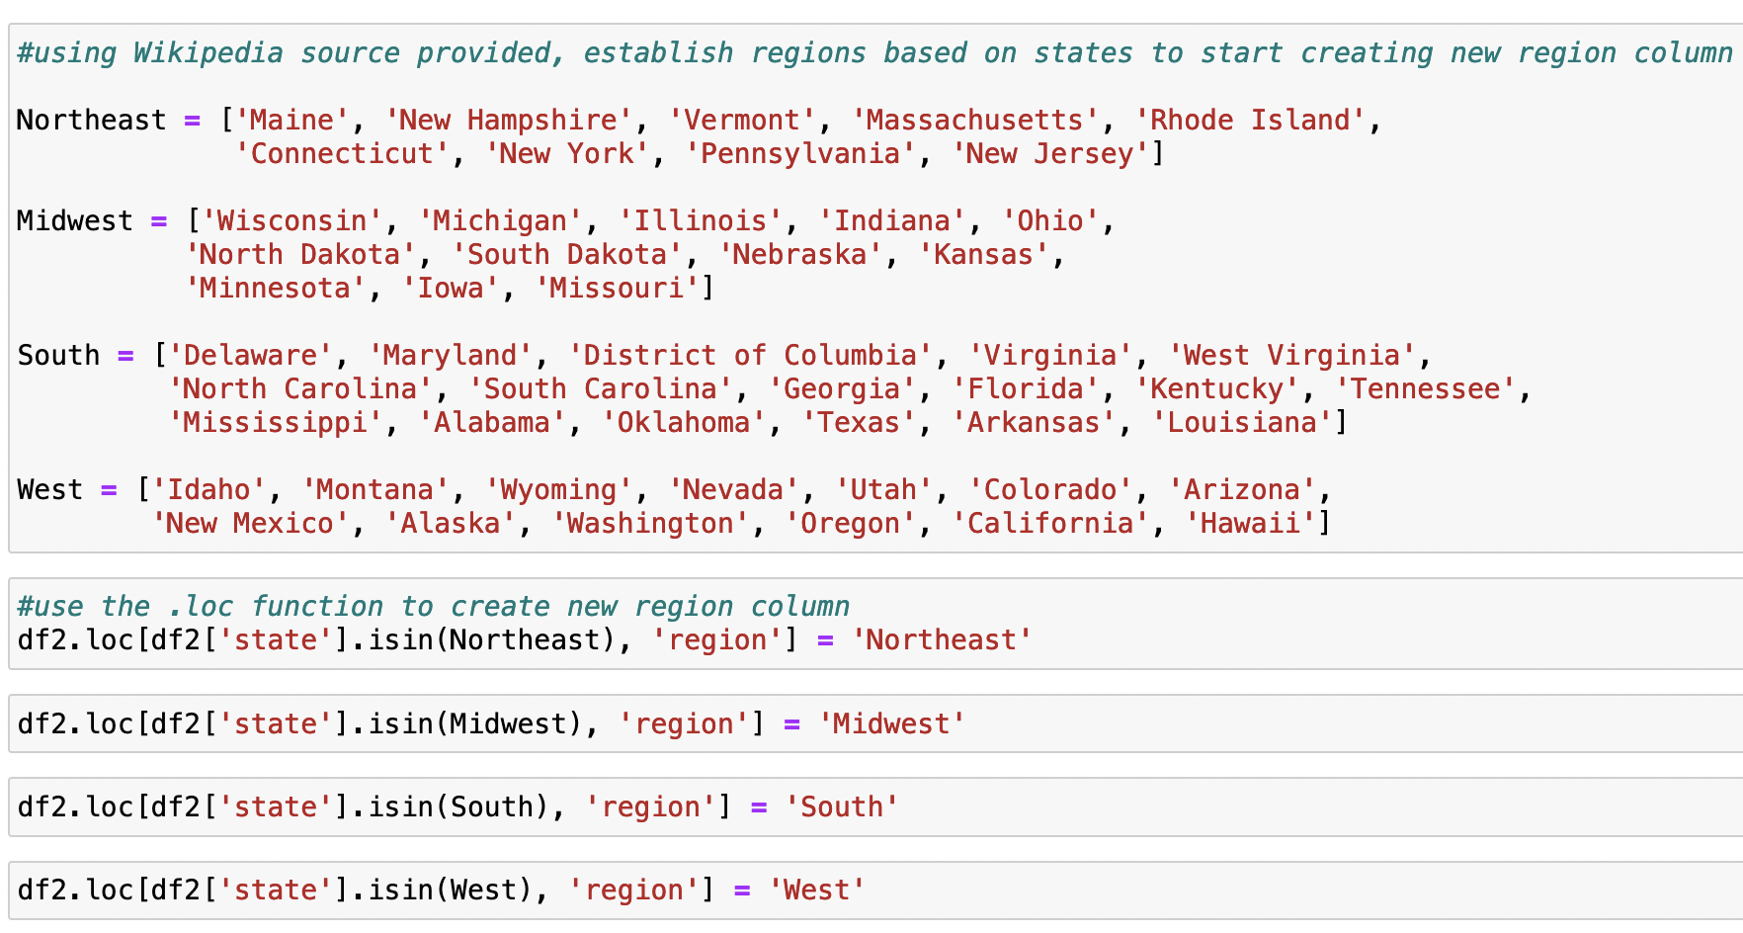 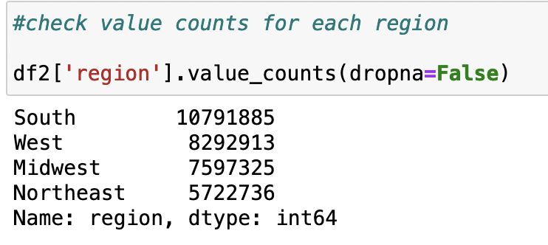
final_instacart_data.pkl | activity_flag | total_orders | results =[] for total in df2['total_orders']: if total < 5: results.append('Low Activity') else: results.append('Regular Activity') |  | 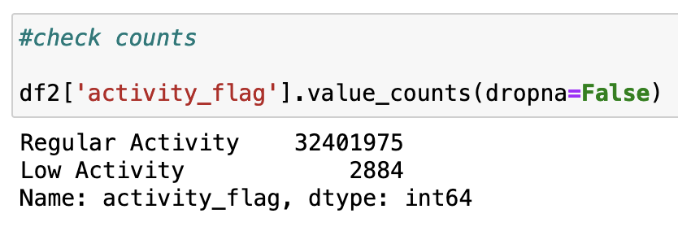
regular_activity_customers.pkl | age_group | age | df.loc[df['age']<=35, 'age_group']='young adult' df.loc[(df['age']<=55)&(df['age']>35), 'age_group']='middle-aged adult' df.loc[df['age']>55, 'age_group']='older adult'
regular_activity_customers.pkl | income_flag | income | df.loc[df['income']<50000, 'income_flag'] = 'low income' df.loc[(df['income']>=50000) & (df['income']<=120000), 'income_flag'] = 'middle income' df.loc[df['income']>120000, 'income_flag'] = 'high income' | 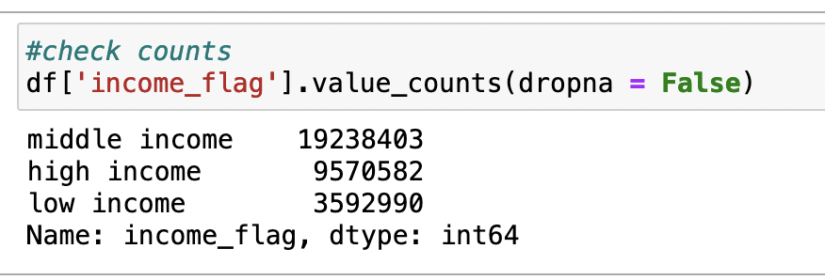
regular_activity_customers.pkl | dependant_status | #_of_dependants | df.loc[df['#_of_dependants']>0, 'dependant_status']='has dependants' df.loc[df['#_of_dependants']==0,'dependant_status']='no dependants'

6. Vizs & Recommendations
 |  |  |  | Question
 |  |  |  | Answer/Recommendation
Visualizations

Q1: The sales team needs to know what the busiest days of the week and hours of the day are (i.e., the days and times with the most orders) in order to schedule ads at times when there are fewer orders

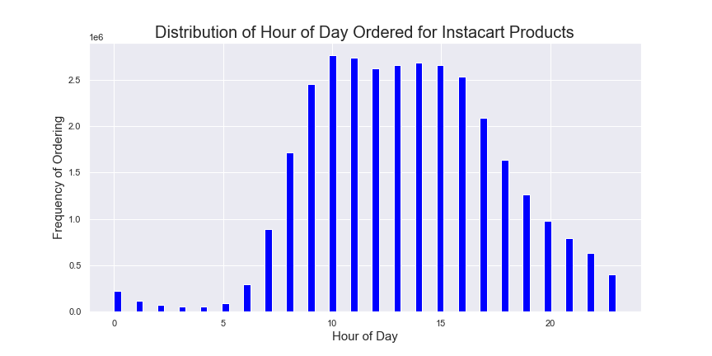 |  |  |  |  | 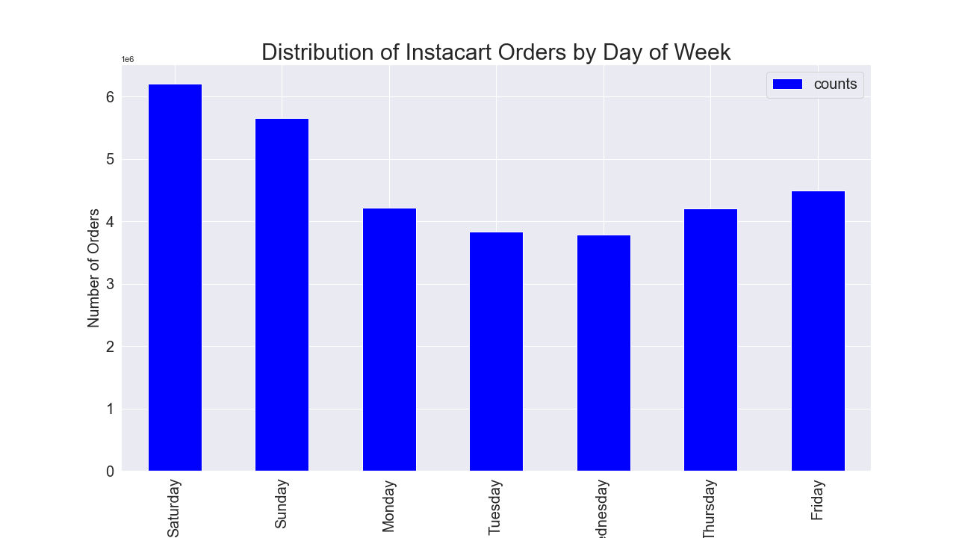

In this histogram, you can see that the most popular time of day to order items would be between 10am and 3pm, especially between 10-11am |  |  |  |  |  | Additionally, on the bar chart above, you can see that the busiest days of the week are clearly Saturday and Sunday, while ordering frequency dips on the week days
Therefore, the sales team should focus on ad scheduling during 4pm-9am when ordering is at lowest activity |  |  |  |  |  | The sales team ought to increase ads during the weekdays to encourage more activity Monday-Friday.

Q2: They also want to know whether there are particular times of the day when people spend the most money, as this might inform the type of products they advertise at these times
 |  | Hour of Day that Most Expensive Items are Purchased on Instacart

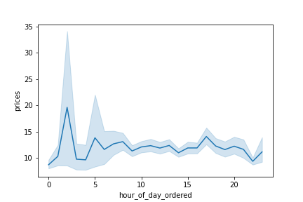
The highest priced orders tend to be bought earlier in the morning before 6am. There seems to be a decline throughout the rest of the day for high-priced orders except for a slight increase around 5pm
The sales team ought to focus on advertising high-priced goods after midnight and before 6am

Q3: Instacart has a lot of products with different price tags. Marketing and sales want to use simpler price range groupings to help direct their efforts
 |  |  | Frequency of Instacart Products Purchased Across Price Range
 |  | 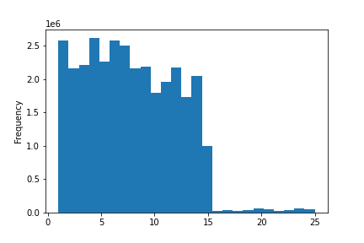
 |  |  |  | Price of Product (in $)

The histogram shows us that most items bought on Instacart are under $15. Therefore, three price range groups were created as follows to simply the groupings:
Low-range products: $5 or less; Mid-range products: greater than $5 and less than or equal to $15; High-range products: greater than $15

Q4: Are there certain types of products that are more popular than others? The marketing and sales teams want to know which departments have the highest frequency of product orders

 | 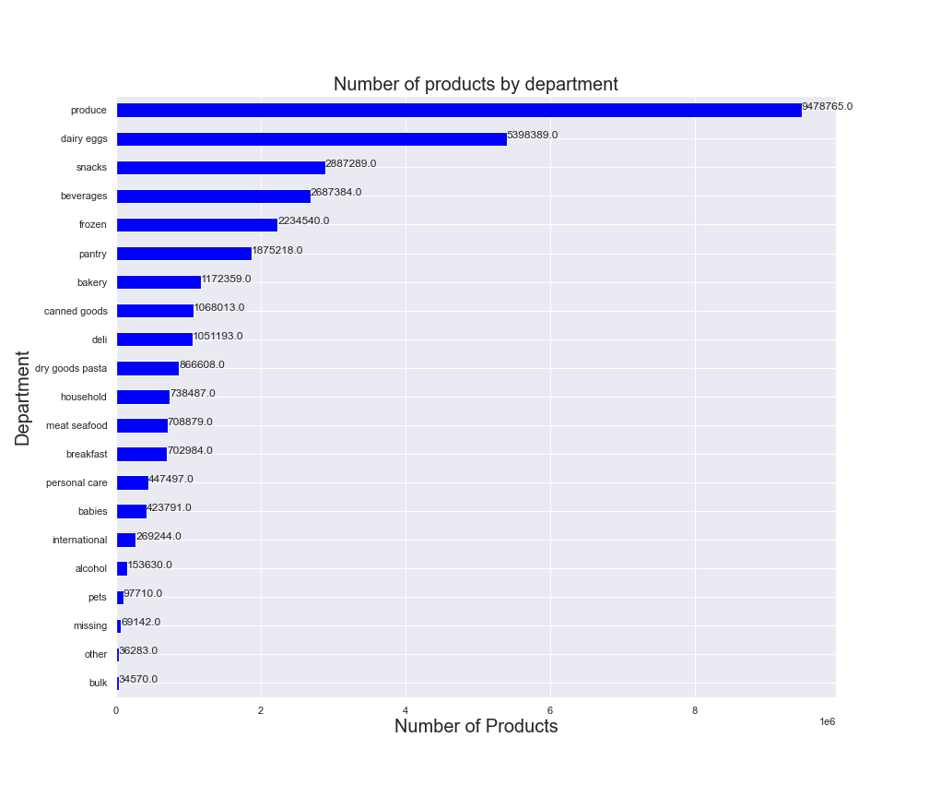
Based on the bar chart above, produce orders have the highest frequency followed by dairy/eggs, snacks, beverages, frozen, and pantry items. The babies, pets, and other departments have the lowest order frequencies.
The sales team ought to continue focus on ads for top sellers such as produce, dairy/eggs, and beverages, but also emphasize increasing ads to boost sales in the low sales producing departments such as babies, pets, and other

Q5: The marketing and sales teams are particularly interested in the different types of customers in their system and how their ordering behaviors differ. For example:
What’s the distribution among users in regards to their brand loyalty (i.e., how often do they return to Instacart)?

Customers were grouped into 3 categories based on the amount of their orders: 'Loyal customer' - more than 40 orders; 'Regular customer'- equal to or less than 40 and more than 10 orders; 'New customer'- equal to or less than 10 orders
Based on the bar chart to the left, "Regular Customers" are the largest group in terms of brand loyalty as they make up 49% of those who order from Instacart. "Loyal customers" are the second largest group at 32%followed finally by "New Customers" at 19%

Q6: Are there differences in ordering habits based on a customer’s loyalty status?

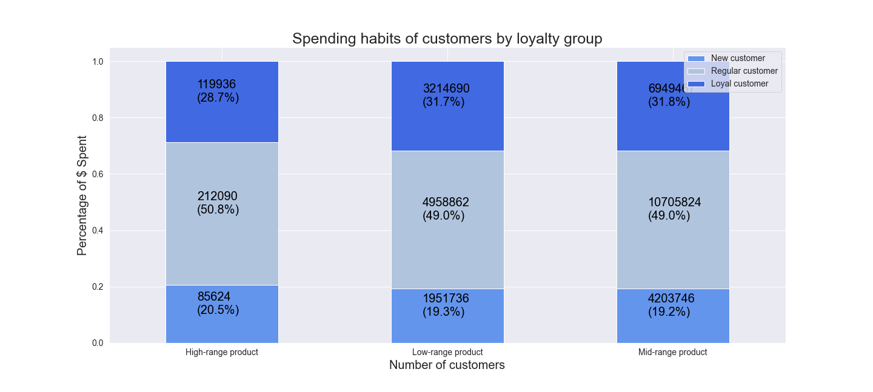

According to the stacked chart above, there is not a strong variation between the ordering habits of customers based on loyalty group.
New customers, regular customers, and loyal customers tend to spend roughly the same in each category of product price range (low, medium, and high)

Q7: Are there differences in ordering habits based on a customer’s region?
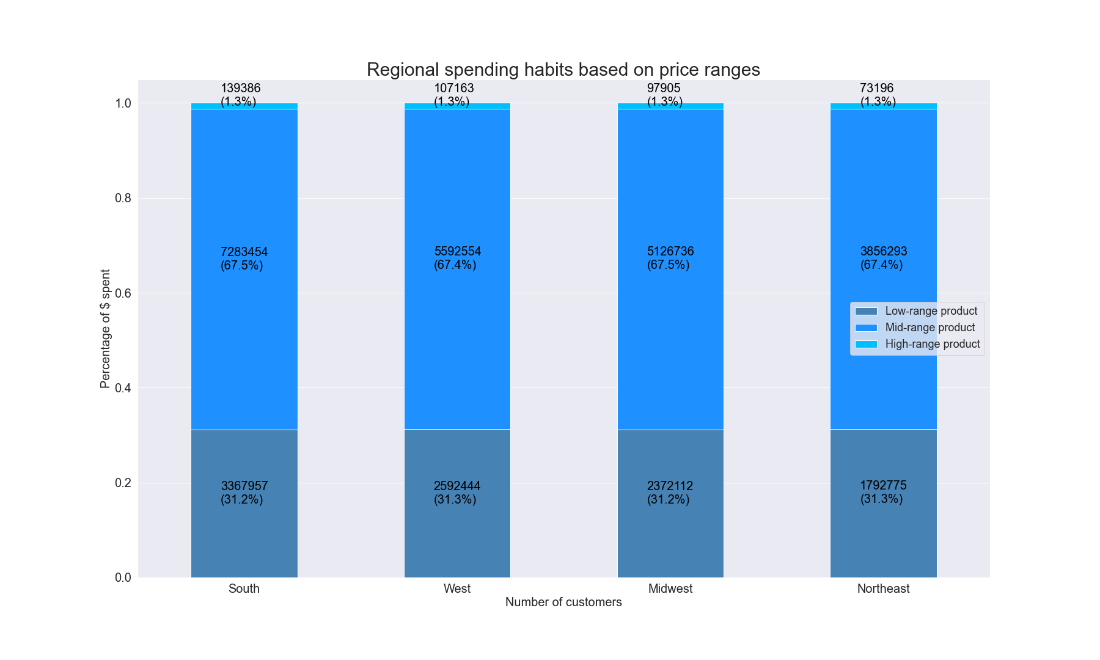

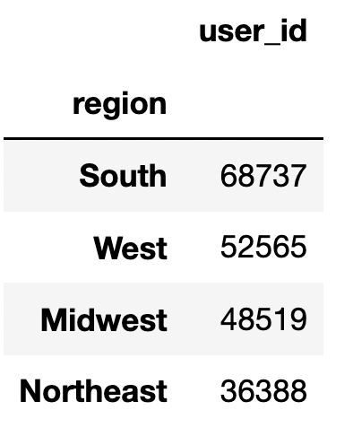

 |  |  |  |  |  | 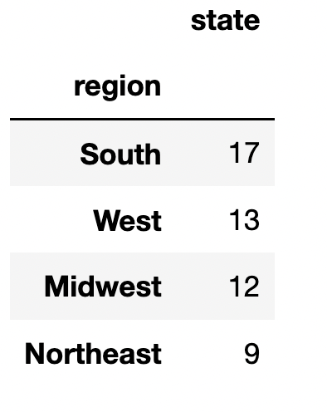
In the two frequency tables shown in the upper right, you can clearly see that the South has the most states alotted to its region as well as the most customers recorded in the Instacart records.
If you look at the stacked chart above, however, you can see that the ordering habits are roughly the same across the country.
When broken down into a percentage, the breakdown of items purchased per price category (low, mid, high) is the same across regions.

Q8: Is there a connection between age and family status in terms of ordering habits?

In the frequency charts on the upper left, we can see that the average (mean) prices spent by the 3 established age groups are almost exactly at $12.
On the upper right, people who have dependants and people who do not have dependants also spend an overall average of $12 per every order.
Based on this information, we can conclude that age and family status do not have a huge impact on ordering habits.

Q9: What different classifications does the demographic information suggest? Age? Income? Certain types of goods? Family status?

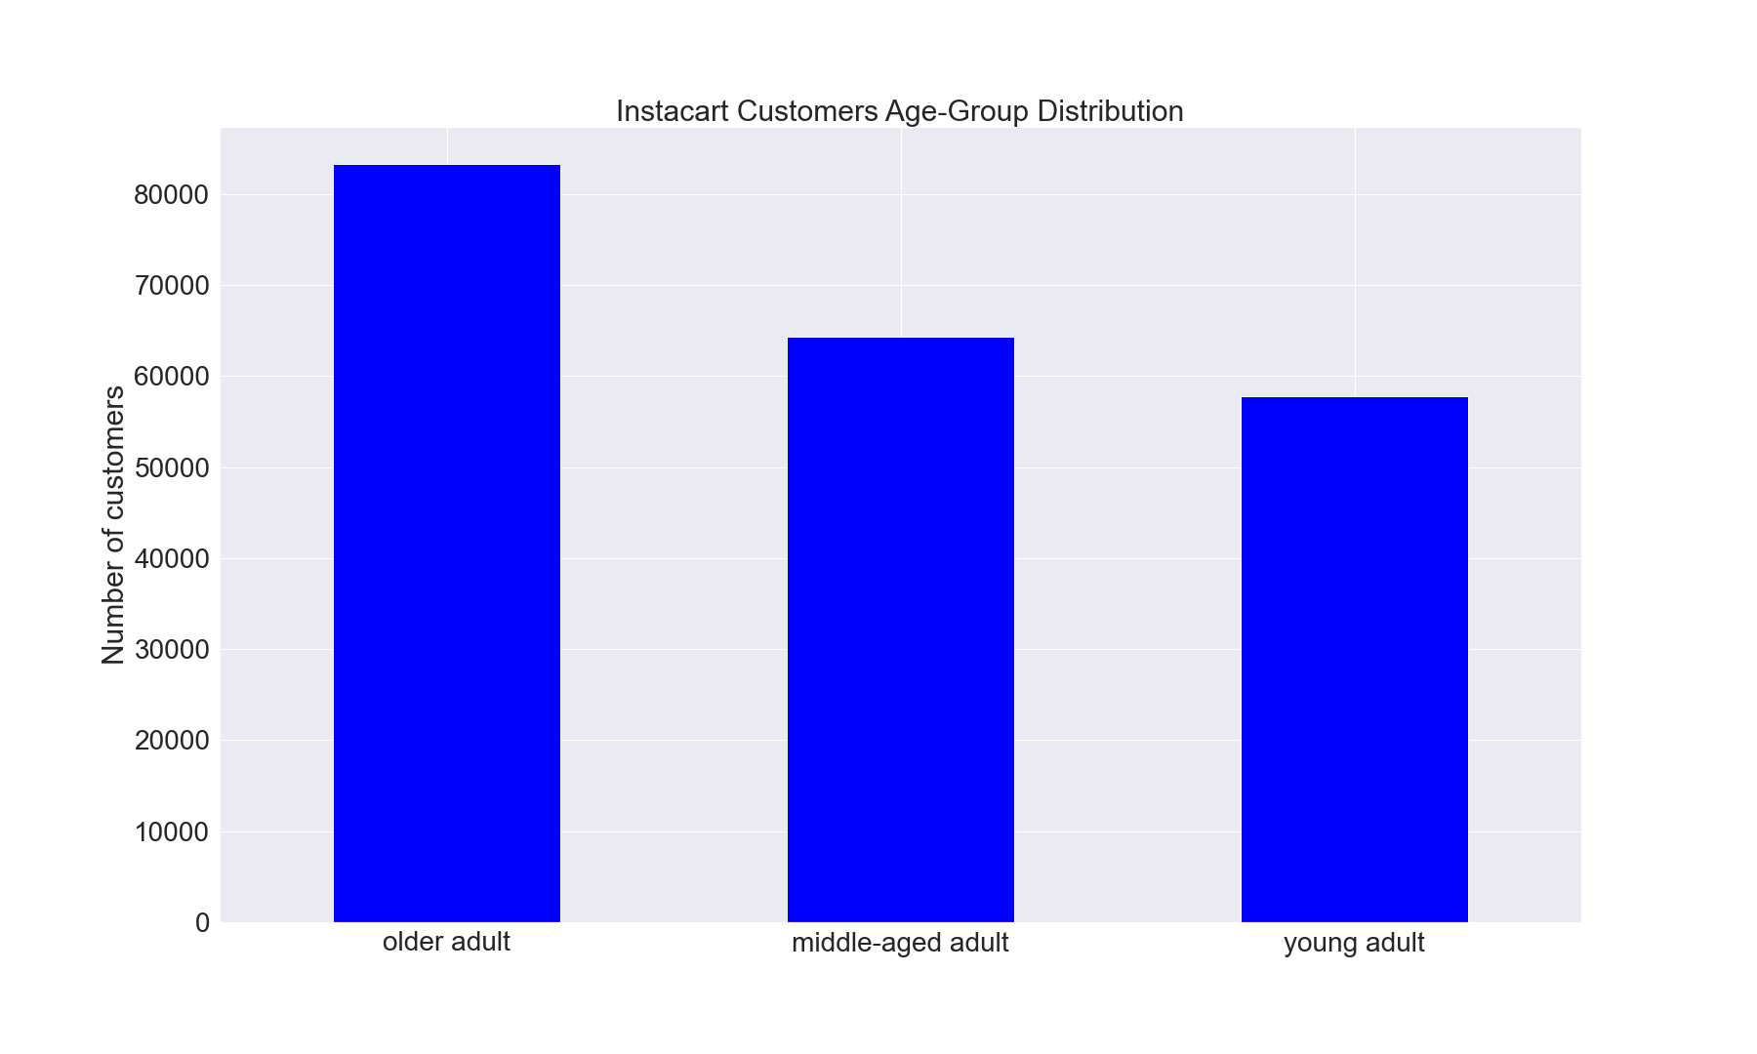
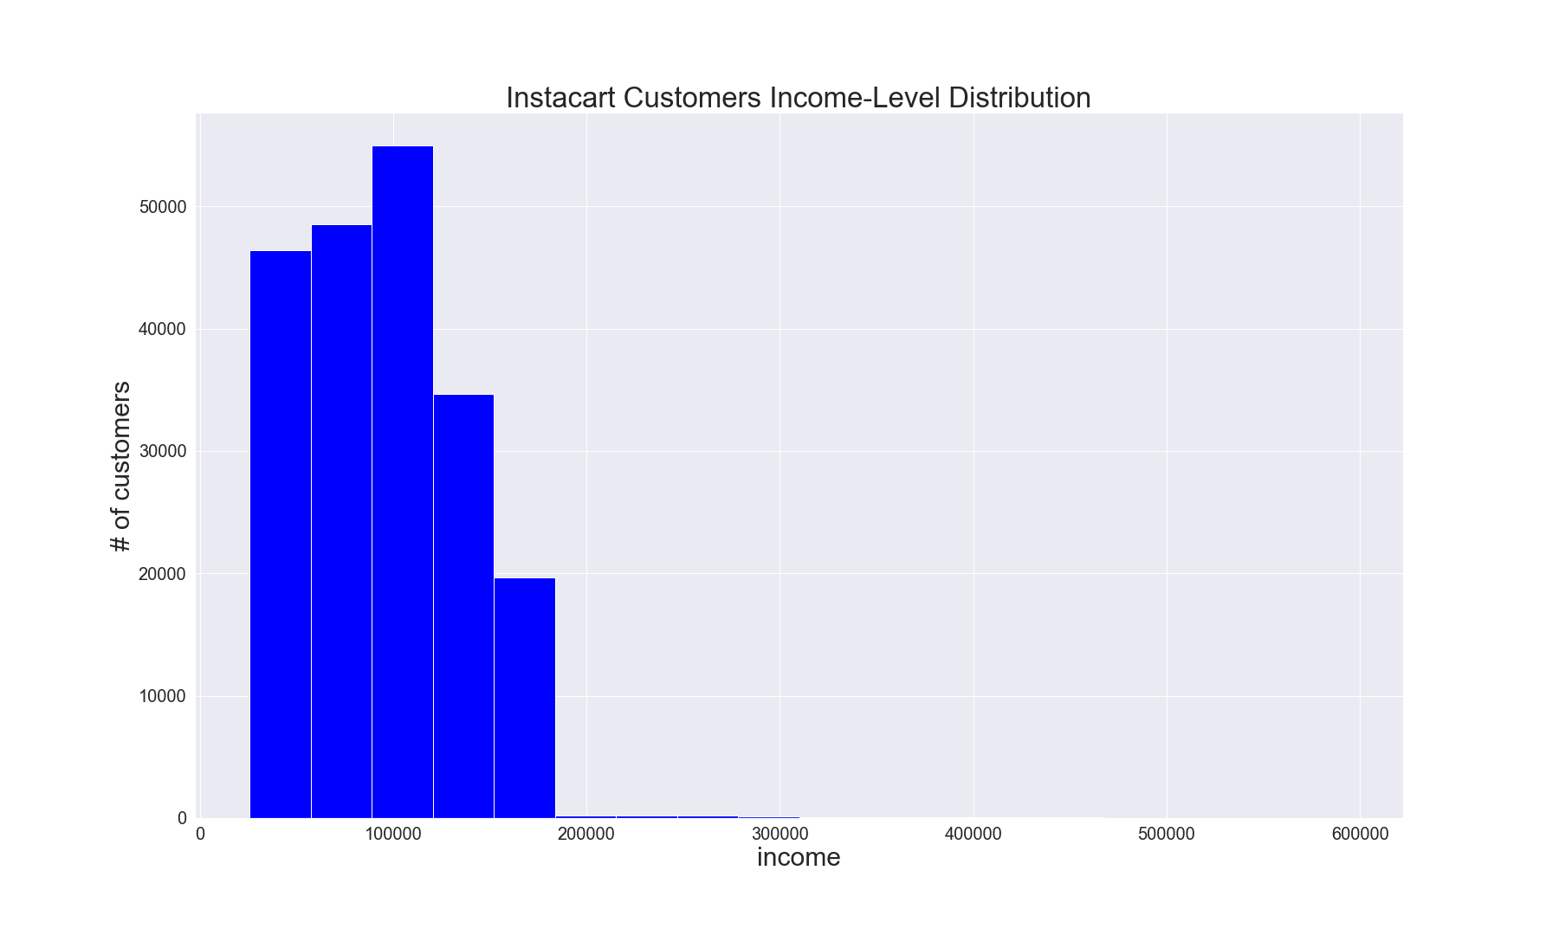

The demographic information presented tells us that the largest Instacart customer base is predominantly older adults followed by middle-aged adults and then young adults
Because young adults are most active online, targeting young adults (35 and under) would be an advised marketing tactic to grow the customer base
We can also conclude from the demographic information that the largest group of Instacart customers earn an annual income of $100,000-$125,000

Q10: What differences can you find in ordering habits of different customer profiles? Consider the price of orders, the frequency of orders, the products customers are ordering, and anything else you can think of.

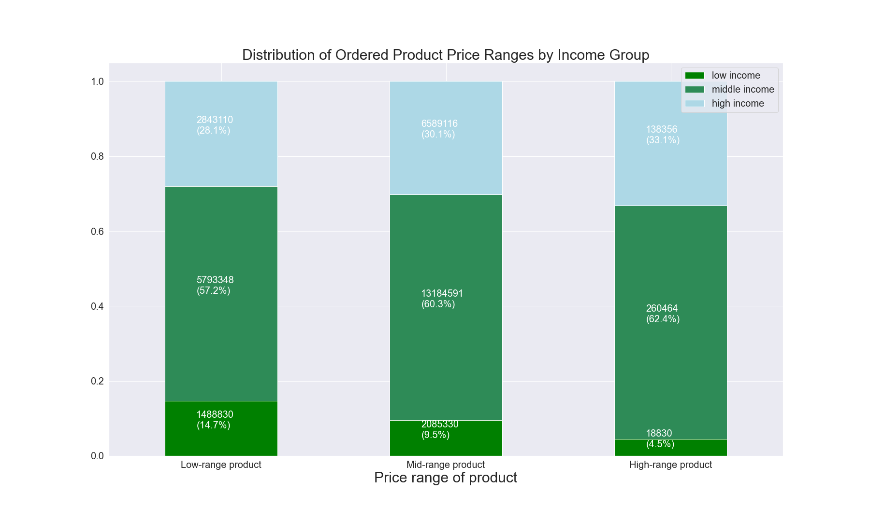

High income customers spend over double than what most low and middle income customers combined. From the previous question, we also know that the majority of Instacart customers are older adults.
Based on the stacked chart above, we can see that across income groups, money is spent fairly evenly across low-range, mid-range, and high-range product prices.
The main exception is that high-income customers spend about 3% more on high-range products than the other income groups.
On average, however, as you can see in the frequency chart to the upper right, high income customers spend about $20 on average per order while middle income customers spend $8.88 and low-income customers spend $6.70
Based on this information, Instacart ought to advertise higher-priced goods to higher-income customers as they will be the most likely group to 1) spend more per order and 2) buy high-range priced goods

